Detailed Investigation Result
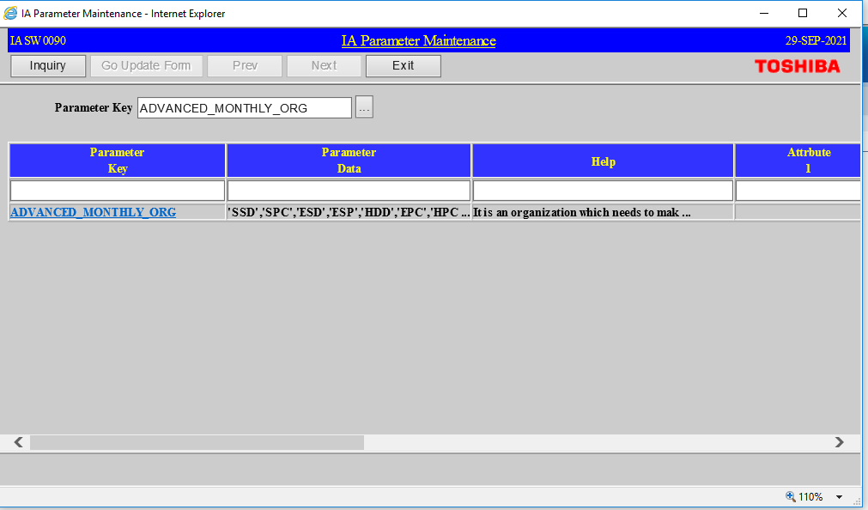
Detailed Investigation Result

 | SETUP in TEST

Helpdesk Request
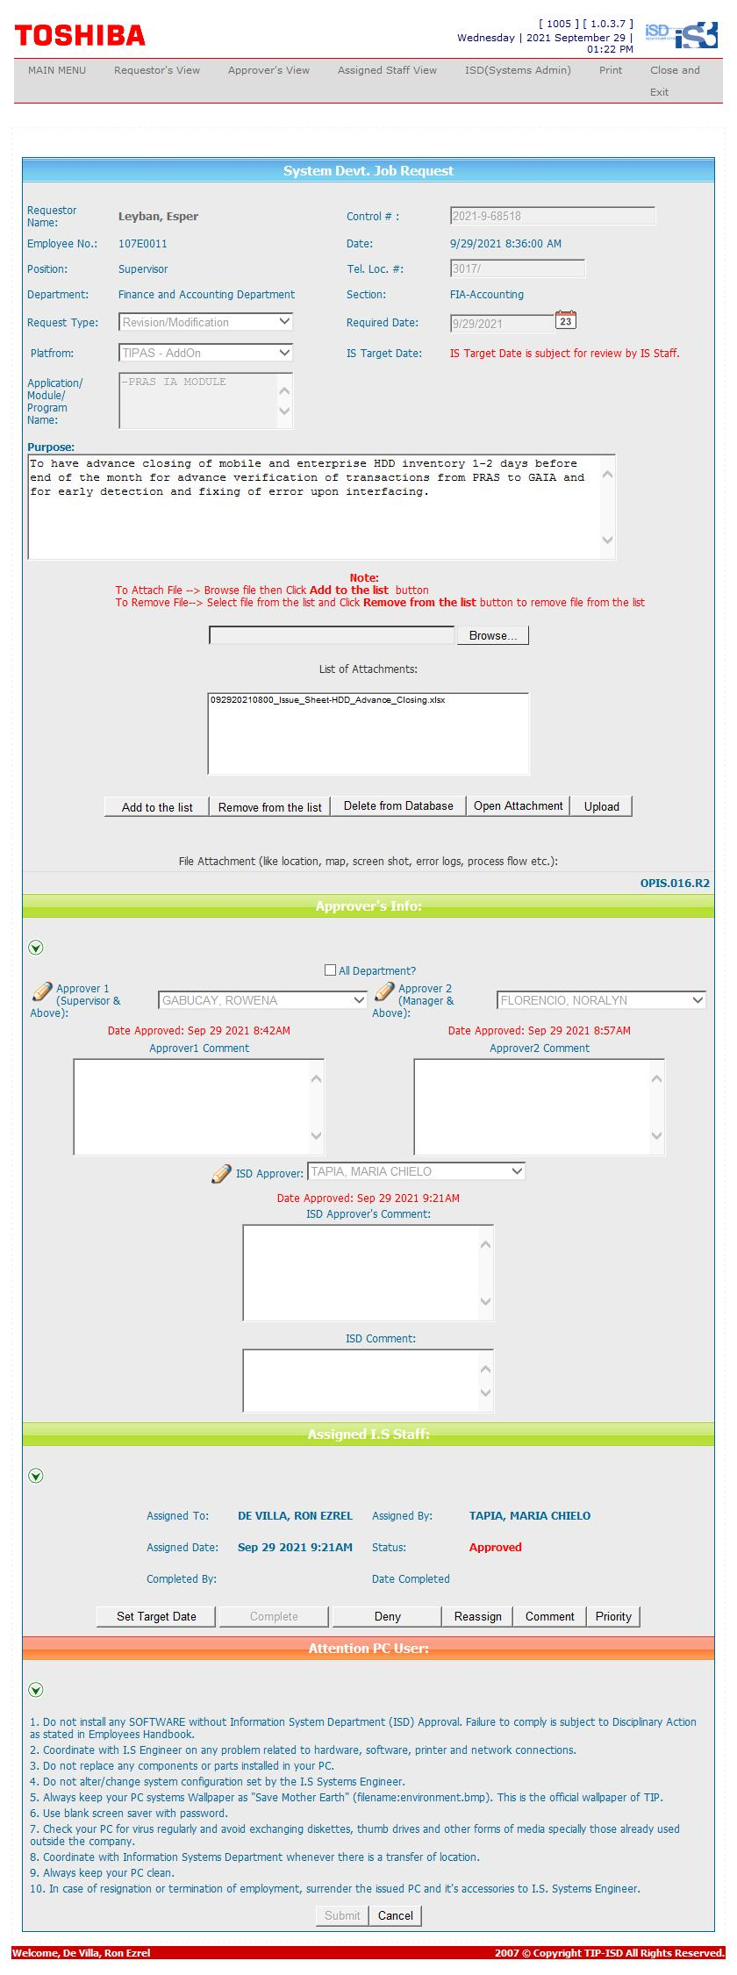
Helpdesk Request

 | ATTACH SCREENSHOT OF HELPDESK REQUEST.

